Stock Diesel
Picture | Article | RRP | S | M | L | XL | XXL | stock qty
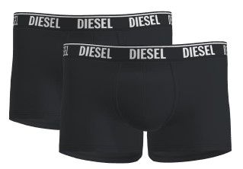 | Shawn twopack | € 34.95 | 1750 | 3500 | 5250 | 5250 | 5250 | 21000
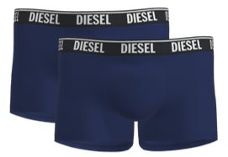 | Shawn twopack | € 34.95 | 1750 | 3500 | 5250 | 5250 | 5250 | 21000
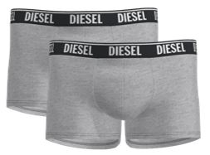 | Shawn twopack | € 34.95 | 1000 | 2000 | 3000 | 3000 | 3000 | 12000
 |  |  |  |  |  |  |  | 54000

